Sheet1
 |  | ANNEXURE B - PRICING SCHEDULE

 |  | Procurement of Multimedia Operational Equipment

NAME OF BIDDER: |  |  | BID NO.: RFQ/SASSETA/262107104

CLOSING TIME: 11:00 |  |  | CLOSING DATE: 25 June 2026

No. | Details | Quantity | PICTURE | PRICE (incl. of VAT where applicable) | BUY BACK AFTER 4 YEARS (incl. of VAT where applicable) | REPAIR AND MAINTENANCE (HOURLY RATE) (incl. of VAT where applicable)
1. | Canon Camera EOS R7: | 3 | 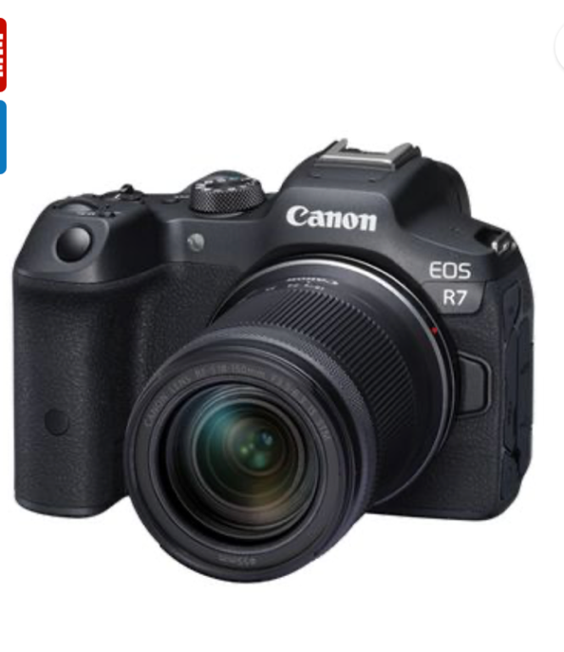

 | Ø Sensor: APS-C CMOS (approx. 22.3 x 14.9 mm)

 | Ø Effective Resolution: 24.2 megapixels (6000 x 4000) detail for both photos and video.

 | Processor & Performance

 | Ø Processor: DIGIC X (fast performance and reliable autofocus).

 | Ø Continuous Shooting: Up to ~15 fps with electronic shutter useful for events and action photography.

 | Autofocus

 | Ø AF: Dual Pixel CMOS AF II with extensive coverage and subject tracking good for moving subjects and video focus.

 | Video Capabilities

 | Ø 4K UHD Video: Up to 30 fps (oversampled from 6K for improved quality).

 | Ø Full HD: Up to 120 fps for slow motion.

 | Stabilisation

 | Ø Image Stabilisation: Digital and lens-based (no in-body stabilization).

 | Display & Viewfinder

 | Ø Screen: 3.0″ fully articulating touchscreen LCD ideal for vlogging and flexible shooting angles.

 | Connectivity & Ports

 | Ø Ports: Micro HDMI, USB-C, 3.5 mm mic input.

 | Ø Wireless: Wi-Fi 4 and Bluetooth 4.2 for easy transfer and remote control.

 | Memory & Power

 | Ø Card Slot: Single SD/SDHC/SDXC slot.

 | Ø Battery: LP-E17 rechargeable (included).

 | Size & Weight

 | Ø Dimensions: Approx. 116.3 × 85.5 × 68.8 mm.

 | Ø Weight: Approx. 375 g with battery and card.

 | The EOS R50 is a good fit Hybrid Shooter:
 | Good for both high-quality stills and 4K video content, which is needed for events and interviews.

 | · Articulating Screen: Great for on-camera interviews and vlogging formats.

 | · Autofocus: Fast and reliable, easier to use in dynamic environments like events.

 | Ø Wireless Connectivity: Makes it easier to transfer content to devices for editing and posting quickly
2. | Wide-angle lenses: | 3 | 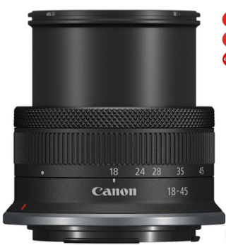 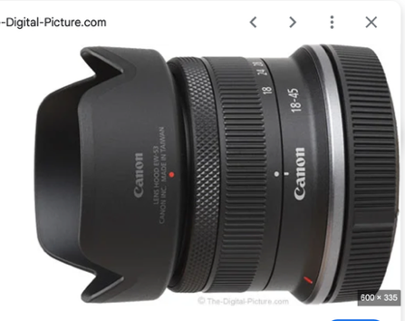
 | For Canon R50 (APS-C)

 | Ø Canon RF-S 10-18mm f/4.5-6.3 IS STM

 | Ø Focal Length: 10–18mm (wide-angle) perfect for group photos

 | Ø Format: APS-C

 | Ø Stabilisation: Optical Image Stabilizer

 | Ø Autofocus: STM (quiet & smooth good for video)

 | Ø Best For: Events, halls, boardrooms, crowded coverage

 | Ø Why this Lense is important:
 | Wide enough to not cut people when taking pictures.
3. | Portrait Lenses: | 3 | 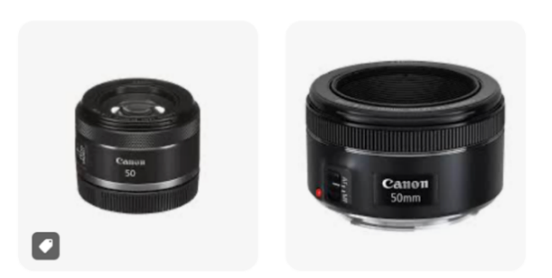
 | Key Specifications

 | Ø Focal Length: 50 mm

 | Ø Maximum Aperture: f/1.8 (excellent low-light performance & background blur)

 | Ø Lens Mount: RF (Canon mirrorless)

 | Ø Autofocus: STM (Stepping Motor quiet & smooth for video)

 | Ø Minimum Focus Distance: ~0.35 m

 | Ø Filter Size: 43 mm

 | Ø Weight: ~160 g
4 | Standard Zoom Lenses: | 3 | 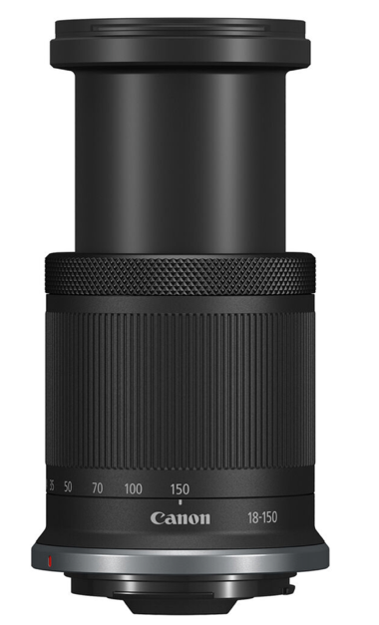

 | Ø Focal Length: 24–70 mm versatile range from wide-angle to short telephoto, ideal for general shooting.

 | Ø Maximum Aperture: Constant f/2.8 throughout zoom range for better low-light performance and shallow depth of field control.

 | Ø Minimum Aperture: f/22 allows for greater depth of field when stopped down.

 | Ø Lens Mount: Canon EF (full-frame and APS-C compatible with crop factor).

 | Ø Autofocus: Ring-type Ultrasonic Motor (USM) with fast, quiet AF and full-time manual focus override.

 | Ø Minimum Focus Distance: ~0.38 m (1.25 ft) — good for close-up work within this range.

 | Ø Magnification: Around 0.21–0.29×, depending on model version.

 | Ø Diaphragm Blades: Typically, 8–9 rounded blades for smooth bokeh.

 | Ø Filter Size: 77 mm or 82 mm (varies by version).

 | Build Quality: Canon L-series professional build with weather-resistant sealing and high-quality optical glass elements to reduce aberrations and ghosting.
5 | LED Lights: | 3 | 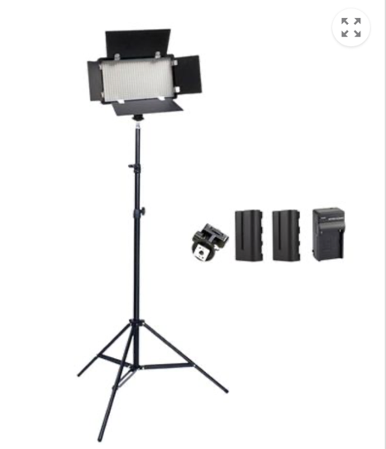

 | Ø LED Panel Light – Adjustable Bi-Color (e.g., 2-Pack Kit)
 | Key Specifications

 | Ø Type: LED Panel

 | Ø Color Temperature: 3200 K – 5600 K (adjustable warm to cool)

 | Ø Brightness: 2000 – 8000 lux

 | Ø CRI / TLCI: 95 (high color accuracy for skin tones)

 | Ø Power: AC adapter + optional battery-powered

 | Ø Size: Approximately 10” × 8” panels

 | Mount: Included light stands + barn doors
6 | Phone Tripod: | 1 | 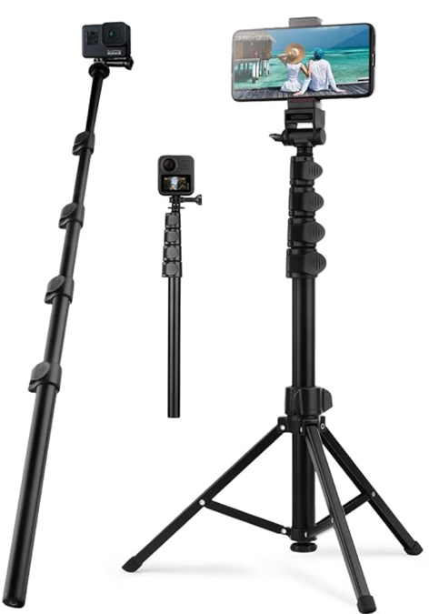

 | Key specifications:

 | Ø Maximum Height: Approx 150 cm / 59 inches
 | Tall enough for standing shots and interview setups without bending or awkward angles.

 | Ø Minimum Height: Approx 20 – 30 cm / tabletop mode Useful for seated interviews, desk shots, and creative angles.

 | Stability & Build

 | Ø Aluminium alloy or reinforced ABS
 | Sturdy, doesn’t wobble with a heavy phone + mic mount.

 | Phone Mount Compatibility

 | Ø Fits iPhone 16 Pro Max size (with or without a case)
 | Extendable grip with rubber pads to prevent slips.
7 | High Speed SD Card: | 4 | 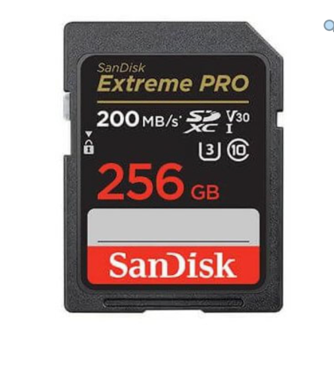

 | SDXC 256 GB V90 UHS-II U3

 | Ø Best for sustained 4K video

 | Ø Excellent for extended events without swapping cards

 | Ø Faster transfer speeds

 | Why this recommendation

 | When recording 4K video on cameras like the Canon EOS R50 or R7, the camera generates large amounts of data per second.

 | Only high-speed cards can write fast enough to your card without interruptions, crucial for:

 | Ø Interviews

 | Ø YouTube production

 | Ø Long event coverage

 | Ø Fast shooting in burst

 | Ø Backup redundancy

8 | Sony HXR-NX800 4K NXCAM Camcorder | 1 | 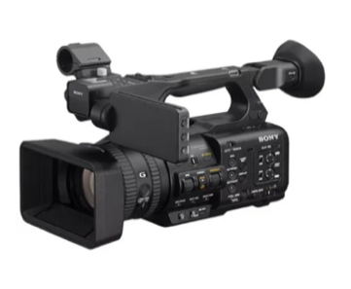

 | Key specifications

 | Sensor & Imaging

 | Ø Sensor: 1.0-inch Exmor RS CMOS (13.2 × 8.8 mm) larger sensor for good low light and depth-of-field control.

 | Ø Effective Resolution: ~14 MP (20.9 MP total)

 | Ø Lens: Built-in lens with 20× optical zoom (24–480 mm 35 mm eq.)

 | Ø Aperture Range: f/2.8 (wide) to f/4.5 (telephoto)

 | Ø Minimum Focus Distance: ~1 cm (wide)

 | Ø Image Stabilisation: Optical stabilisation in the lens.

 | Video Recording

 | Ø UHD 4K (3840 × 2160): Up to 120 fps excellent for slow-motion and smooth motion capture.

 | Ø Full HD (1920 × 1080): Up to 240 fps for high-speed video.

 | Ø Recording Formats: XAVC HS, XAVC S-I, XAVC S-L, H.264, H.265 gives flexible quality and file size options.

 | Ø Built-in ND Filter: 2 to 7-stop electronic ND filter to control exposure in bright conditions.

 | Ø Colour Profiles: Support for S-Cinetone, Rec.709, HLG HDR good for cinematic/grading work.

 | Audio & Inputs

 | Ø 4-Channel Audio: (via detachable handle) with XLR inputs essential for professional microphones.

 | Ø External Audio: Compatible with industry-standard pro-audio gear.

 | Autofocus & Intelligent Features

 | Ø Fast Hybrid Autofocus: Phase-detect AF with up to ~475 points and subject tracking.

 | Ø AI-Powered Features: AI assist and auto-framing features help keep subjects in focus useful for solo shooters.

 | Ø Streaming & Connectivity: Built-in dual-band Wi-Fi and optional streaming (RTMP/RTMPS/SRT), remote control via app.

 | Storage & Outputs

 | Ø Media: Dual card slots: CFexpress Type-A and SD (UHS-II), great for recording backups or relay recording.

 | Ø Video Output: HDMI for monitoring and external recording.

 | Ø Mobile App Compatibility: Android & iOS remote control and monitoring.

 | General Specs

 | Ø Weight: ~1.9 kg (body only), ~2.38 kg with battery/accessories.

 | Ø Battery: Sony BP-U series professional batteries (BP-U35/U70/U100).

 | Ø Dimensions: ~175.6 × 201.3 × 371.1 mm.

9 | Canon RF 70-200mm lense | 2 | 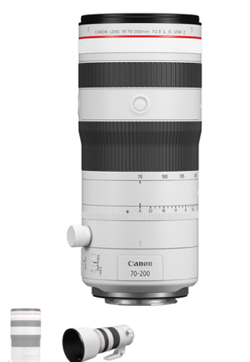

 | Key Specification

 | Optical & Performance

 | Ø Focal Length: 70–200 mm (telephoto zoom)

 | Ø Maximum Aperture: Constant f/2.8 across the zoom range (great for low light & subject isolation)

 | Ø Minimum Aperture: f/32

 | Ø Lens Construction: 17 elements in 13 groups with Super UD and aspherical elements for sharpness & aberration control

 | Ø Diaphragm: 9-blade circular aperture for smooth bokeh

 | Ø Filter Thread: 77 mm

 | Ø Image Stabilization: Up to ~5 stops (CIPA standard)

 | Focus & Handling

 | Ø Autofocus: Dual Nano USM — fast, quiet, precise for photos & video

 | Ø Minimum Focus Distance: ~0.7 m (~2.3 ft)

 | Ø Max Magnification: ~0.23×

 | Size & Build

 | · Weather Sealing: Dust & moisture-resistant L-series build

 | · Dimensions: ~Ø 89.9 × 146 mm

 | · Weight: ~1,070 g without tripod collar

 | Excellent for sports, wildlife, events, portraits, and low-light shooting.

10 | Headphones | 2 | 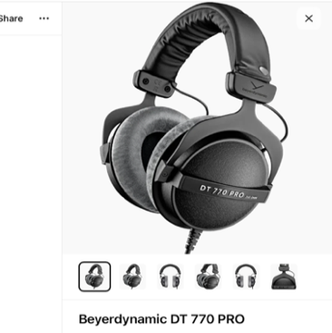

 | Driver Size & Type

 | Ø Driver Size (mm): Larger drivers (e.g., 40–50 mm) usually deliver fuller sound and better bass response.

 | Ø Driver Type:

 | Ø Dynamic drivers – common, good overall sound.

 | Ø Planar magnetic / Balanced Armature

 | Frequency Response

 | Ø Range: Typical good monitoring range is 20 Hz – 20 kHz.

 | Ø A flat/neutral response is best for monitoring because it reproduces audio without exaggerated bass or treble

 | Impedance

 | Ø Low Impedance (~16–32 Ω): Easy to drive with portable camcorders or mixer outputs.

 | High Impedance (>80 Ω): Better detail, but often needs an amp to reach comfortable volume.

11 | Soft boxes/ diffusers | 2 | 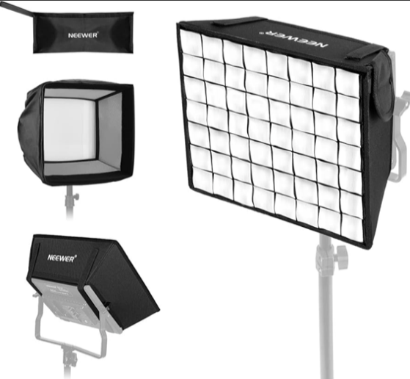

 | Size & Shape

 | Ø Common Sizes:

 | o Medium: 80 × 80 cm, 90 × 120 cm – Versatile for portraits & products

 | o Large: 120 × 180 cm, 120 × 240 cm – Soft, broad fill light

 | Shapes:

 | Ø Square/Rectangular: Classic, good for broad even light

 | Ø Octagonal (Octabox): More natural circular catchlights

 | Ø Strip: Narrow light, great for rim/edge lighting

 | Diffusion Material

 | Ø Outer Diffuser (Soft Panel):

 | o Thick, multi-layered material spreads light evenly

 | o Should be heat-resistant (for continuous lights)

 | Ø Inner Diffuser (Baffle):

 | o Reduces hotspots and ensures even spread across the panel

 | Mount / Bowens Compatibility

 | Ø Mount Type: Defines what lights you can attach:

 | o Bowens S-Mount: Most popular universal mount

 | o Profoto, Elinchrom, Godox, etc: Brand-specific

 | Ø Adapter Rings: Allow fitting softboxes to different light brands

 | Light Output & Transmission

 | Ø Transmission %: Amount of light passing through the diffuser (typically 60%–90%)

 | o Higher transmission = brighter output

 | o Lower transmission = softer, more diffused light

 | Ø Loss vs Gain: Larger softboxes often reduce output, so you may need more power

 | Build Quality & Portability

 | Ø Frame:

 | o Steel rods (classic): Strong, durable

 | o Fiberglass rods: Lighter, more flexible

 | Ø Carrying Case: Handy for location shoots

 | Ø Speed/Rapid-Fold Design: Quicker to set up and break down

 | Grids & Accessories

 | Ø Grids (Egg-Crates):

 | o Narrow light spread, better control

 | o Available in different densities (e.g., 10°, 20°, etc.)

 | Ø Inner Baffles:

 | o Helps soften light further

 | Ø Snoots/Reflectors:

 | o For shaping and controlling light

 | Depth & Aspect Ratio

 | Ø Deeper Softboxes: More directionality and smoother fall-off of light

 | Ø Shallow Softboxes: Wider spread, less directional control

 | Weight & Handling

 | Ø Weight: Affects portability, especially for on-location work

 | Ø Mount Stability: Must securely hold the light

 | Heat Resistance (for Continuous Lights)

 | Ø Rated for High Temps: Essential if using hot bulbs (tungsten) or high-output LEDs

 | Ø Material Safety: Should withstand prolonged use without warping

12 | Portable LED lights | 3 | 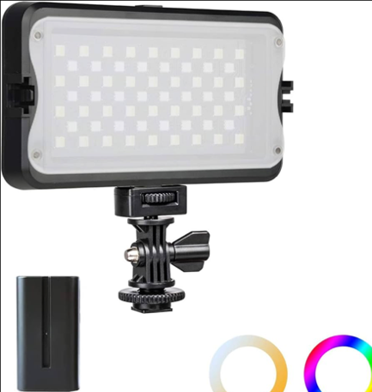

 | Light Output / Brightness

 | Ø Lumen / Lux / Power (W):

 | o Lumen -total light output

 | o Lux @ 1 m -brightness measured at a distance of 1 meter (common spec for video lights).

 | o Watt-equivalent / Power draw — how much electrical power the light uses.

 | Colour Temperature

 | Ø CCT (Correlated Colour Temperature): Measured in Kelvin (K) tells how warm or cool the light is.

 | o Warm (Tungsten): ~2800–3200 K

 | o Daylight: ~5500–6500 K

 | o Variable / Bi-colour: Adjustable range (e.g., 2800–6500 K)

 | Colour Accuracy

 | Ø CRI (Colour Rendering Index):

 | o Scale up to 100

 | o CRI ≥ 90+ = accurate colours on skin tones and objects

 | Ø TLCI (Television Lighting Consistency Index):

 | o Used in broadcast/video; TLCI ≥ 90+ means reliable colour for video work

 | Power & Battery

 | Ø Battery Type:

 | o Built-in rechargeable (USB-C or proprietary)

 | o Removable batteries (Sony NP-F, V-mount, etc.)

 | Ø Runtime:

 | o Rated at full power (e.g., 60 min at 100%)

 | Ø DC Input / USB-C: Allows power via wall adapter or power bank

 | Dimming & Control

 | Ø Control Range:

 | o e.g., 0–100% dimming

 | Ø Dimming Steps:

 | o Smooth / stepless vs fixed steps

 | Ø Control Method:

 | o On-board dial, app/Bluetooth, remote

 | Size & Mounting

 | Ø Physical Size: Panel area (e.g., large panel vs small pocket light)

 | Ø Mounting Options:

 | o Cold shoe, ¼″ thread, magnetic mounts

 | Beam & Light Spread

 | Ø Beam Angle:

 | o Wide (soft spread) ~100°+

 | o Narrower for more directional throw.

 | Build & Accessories

 | Ø Weather Resistance / Durability: Useful outdoors

 | Ø Diffusers / Filters:

 | o Soft diffuser included or built-in

 | o Filters: gels or magnetic modifiers

 | Ø Grids / Barndoors: Control spill light

 | Additional Features

 | Ø RGB Capability: Full colour control (hue, saturation, effects)

 | Ø Effects Modes: Flicker, strobe, paparazzi, etc.

 | Ø Cooling System: Passive (quiet) vs active (fan)

 | Display: LED screen showing values (CCT, % dim, battery)

13 | XLR cables | 2 | 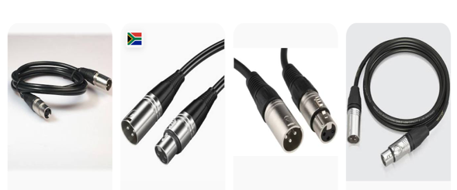

 | Connector Type

 | Ø XLR 3-Pin (Standard)

 | o Male (XLR-M) → usually connects to camera input

 | o Female (XLR-F) → usually connects to microphone

 | Ø Most professional camcorders use 3-pin XLR balanced inputs

 | Cable Type (Balanced Audio)

 | Ø Balanced cable (Required for professional audio)

 | o 3 conductors:

 | § Pin 1: Ground

 | § Pin 2: Hot (+)

 | § Pin 3: Cold (−)

 | Ø Balanced cables reduce:

 | · Electrical interference

 | · Hum and noise

 | · Signal loss over long distances

 | Cable Length

 | Ø Common lengths:

 | · 1–3 meters → On-camera shotgun mic

 | · 5–10 meters → Interviews, small setups

 | · 15–30 meters → Events, stage, conferences

 | Conductor & Gauge

 | Ø Wire Gauge (AWG):

 | o 22 AWG – 24 AWG is common for mic cables

 | Ø Oxygen-Free Copper (OFC) preferred for better conductivity

 | Ø Multi-strand conductors improve flexibility

 | Shielding

 | Good shielding protects from RF interference and hum.

 | Ø Common shielding types:

 | · Braided Shield (best durability)

 | · Spiral Shield (flexible)

 | · Foil Shield (good RF protection)

 | Phantom Power Compatibility

 | Ø Must support 48V Phantom Power

 | Ø Required for:

 | o Condenser microphones

 | o Shotgun microphones

 | o Some lav systems

 | Connector Build Quality

 | Ø Metal connectors (Zinc or Nickel plated)

 | Ø Gold-plated pins (better corrosion resistance)

 | Ø Strong strain relief

 | Ø Locking latch mechanism

 | Reliable brands often use:

 | Ø Neutrik connectors

 | Ø Switchcraft connectors

 | Flexibility & Jacket Material

 | Ø PVC jacket (standard)

 | Ø Rubberized jacket (more flexible)

 | Ø Soft-touch jacket for easier coiling

 | Temperature resistant for outdoor use

TOTAL |  |  |  | R0.00 | R0.00 | R0.00

i. Bidders are to submit Annexure B. Non-submission of Annexure B will lead to automatic disqualification.
ii. Bidders are to ensure that all items indicated on (Annexure B) are quoted for. Incomplete Annexure B will lead to automatic disqualification.
iii. The template will sum up the total.
iv. Bidders are requested to input their costs only and sign off.
v. Bidders are requested to submit Annexure B without changing any of the details on this document. Altered Annexure B will lead to automatic disqualification.
vi. Bidders are required to submit this excel spreadsheet in Excel format for evaluation purposes and also a signed PDF version for audit trail purposes.
Note 1: Total cost including delivery cost as specified in Annexure B will be considered for evaluation purposes.
Note 2: Unit price refers to unit descriptions as per Annexure B.
Note 3: Prices will escalate with CPIX on the anniversary of the contract.

Signature |  |  | Date

Position |  |  | Name of bidder

